Bug Report_One
Bug ID: OPENCART-BUG-001

Bug_Title: "Password visibility toggle (eye icon) is not present on the login page of the Password field"

Bug Description/Steps to Reproduce: 1.Navigate to the login page. 2.Locate the password field. Check if the "eye" icon is present beside the password field.

Expected Result:The password visibility toggle (eye icon) should be present.

Actual Result:The password visibility toggle (eye icon) is not present.

Screenshot/Evidence:


Sevarity:Minor

Priority:Low

Status:New

Bug Report_Two
Bug ID: OPENCART-BUG-003

Bug_Title:Payment method selection not working – Only "Cash On Delivery" available

Bug Description/Steps to Reproduce: 1.Navigate to the Checkout page. 2.Try to select a payment method (e.g., Credit Card). 3.Click on Continue.

Expected Result: The selected payment method (e.g., Credit Card) should be applied and proceed with payment. Multiple payment options should be available as expected.

Actual Result:Only "Cash On Delivery" is present. Other payment methods (Credit Card, Debit Card, Net Banking, etc.) are not available. User is unable to proceed with the desired payment method.
Screenshot/Evidence:
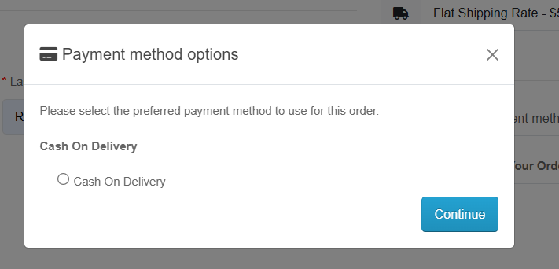

Sevarity:Major

Priority:High

Status:New

Bug Report_Three
Bug ID: OPENCART-BUG-001

Bug Title:Search Results: "Show" Dropdown Not Displaying More Than 4 Products

Bug Description/Steps to Reproduce: 1. Open the OpenCart website. 2. Enter a valid product name in the Search box (e.g., "iMac"). 3. Click on the Search button. 4. Scroll down to the "Show" dropdown (which allows selecting the number of displayed products). 5. Select 10, 25, or 50 from the dropdown.

Expected Result:The system should display the selected number of products (e.g., if 10 is selected, it should show 10 products).

Actual Result:The system does not display more than 4 products, even after selecting a higher number.
Screenshot/Evidence:
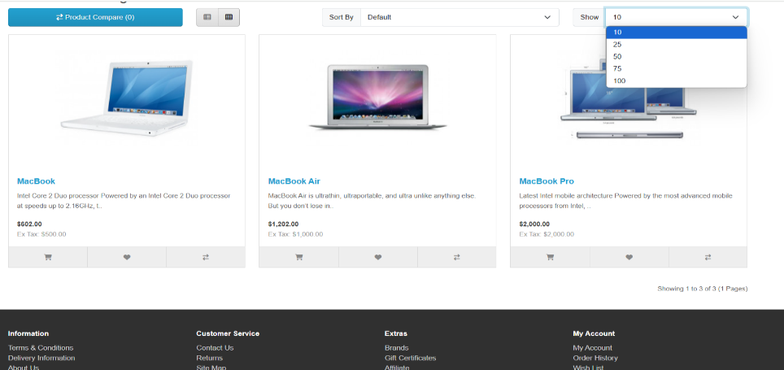

Sevarity:Major (High) → This affects usability, as users cannot view all products properly.

Priority:High

Status:New

